PB COMMENTS
Date: 15/09/2021
Country | Energy.type | Last.stage | Method | Machine | Eu.product | Quantity | 1960 | 1961 | 1962 | 1963 | 1964 | 1965 | 1966 | 1967 | 1968 | 1969 | 1970 | 1971 | 1972 | 1973 | 1974 | 1975 | 1976 | 1977 | 1978 | 1979 | 1980 | 1981 | 1982 | 1983 | 1984 | 1985 | 1986 | 1987 | 1988 | 1989 | 1990 | 1991 | 1992 | 1993 | 1994 | 1995 | 1996 | 1997 | 1998 | 1999 | 2000 | 2001 | 2002 | 2003 | 2004 | 2005 | 2006 | 2007 | 2008 | 2009 | 2010 | 2011 | 2012 | 2013 | 2014 | 2015 | 2016 | 2017 | 2018 | 2019 | 2020
WLD | E | Final | PCM | Domestic boats | MP | eta.fu | 27.13% | 27.31% | 27.50% | 27.68% | 27.87% | 28.05% | 28.23% | 28.36% | 28.54% | 28.73% | 28.91% | 28.97% | 29.10% | 29.22% | 29.34% | 29.46% | 29.65% | 29.77% | 29.96% | 30.14% | 30.26% | 30.39% | 30.51% | 30.63% | 30.76% | 30.88% | 31.00% | 31.13% | 31.19% | 31.31% | 31.43% | 31.56% | 31.62% | 31.74% | 31.80% | 31.86% | 31.93% | 31.93% | 31.99% | 31.99% | 32.05% | 32.11% | 32.17% | 32.23% | 32.23% | 32.29% | 32.29% | 32.29% | 32.29% | 32.29% | 32.36% | 32.42% | 32.48% | 32.54% | 32.54% | 32.54% | 32.54% | 32.54% | 32.54% | 32.54% | 32.54%

 |  | PB Comments
 |  | 1 | I agree with this method of engine efficiency x propulsion efficiency. I propose we roll out to the 4 x large ships too: bulk carrier, container and tankers
 |  |  | note march 2022: roll out to large shuips not done in v1

domestic boats

Wärtsilä_2016..
Wärtsilä (2016) -
https://cdn.wartsila.com/images/default-source/Sustainability/engine-fuel-efficiency-development.png?sfvrsn=2
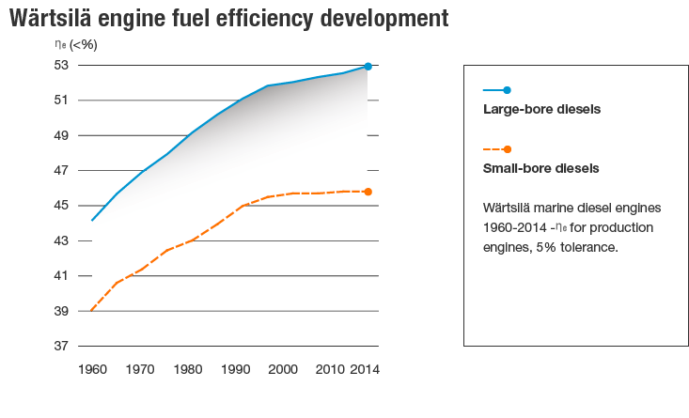

Year | Country | Machine | Efficiency [-] | Year | Country | Machine | Efficiency [-]
1960 | DNK | Small-bore diesel boat engine | 39.00% | 1960 | DNK | Large-bore diesel boat engine | 44.10%
1961 | DNK | Small-bore diesel boat engine | 39.30% | 1961 | DNK | Large-bore diesel boat engine | 44.40%
1962 | DNK | Small-bore diesel boat engine | 39.70% | 1962 | DNK | Large-bore diesel boat engine | 44.70%
1963 | DNK | Small-bore diesel boat engine | 40.00% | 1963 | DNK | Large-bore diesel boat engine | 45.00%
1964 | DNK | Small-bore diesel boat engine | 40.30% | 1964 | DNK | Large-bore diesel boat engine | 45.30%
1965 | DNK | Small-bore diesel boat engine | 40.60% | 1965 | DNK | Large-bore diesel boat engine | 45.60%
1966 | DNK | Small-bore diesel boat engine | 40.80% | 1966 | DNK | Large-bore diesel boat engine | 45.90%
1967 | DNK | Small-bore diesel boat engine | 40.90% | 1967 | DNK | Large-bore diesel boat engine | 46.10%
1968 | DNK | Small-bore diesel boat engine | 41.10% | 1968 | DNK | Large-bore diesel boat engine | 46.40%
1969 | DNK | Small-bore diesel boat engine | 41.20% | 1969 | DNK | Large-bore diesel boat engine | 46.70%
1970 | DNK | Small-bore diesel boat engine | 41.40% | 1970 | DNK | Large-bore diesel boat engine | 47.00%
1971 | DNK | Small-bore diesel boat engine | 41.60% | 1971 | DNK | Large-bore diesel boat engine | 47.10%
1972 | DNK | Small-bore diesel boat engine | 41.80% | 1972 | DNK | Large-bore diesel boat engine | 47.30%
1973 | DNK | Small-bore diesel boat engine | 42.10% | 1973 | DNK | Large-bore diesel boat engine | 47.50%
1974 | DNK | Small-bore diesel boat engine | 42.30% | 1974 | DNK | Large-bore diesel boat engine | 47.70%
1975 | DNK | Small-bore diesel boat engine | 42.50% | 1975 | DNK | Large-bore diesel boat engine | 47.90%
1976 | DNK | Small-bore diesel boat engine | 42.60% | 1976 | DNK | Large-bore diesel boat engine | 48.20%
1977 | DNK | Small-bore diesel boat engine | 42.70% | 1977 | DNK | Large-bore diesel boat engine | 48.40%
1978 | DNK | Small-bore diesel boat engine | 42.80% | 1978 | DNK | Large-bore diesel boat engine | 48.70%
1979 | DNK | Small-bore diesel boat engine | 43.00% | 1979 | DNK | Large-bore diesel boat engine | 49.00%
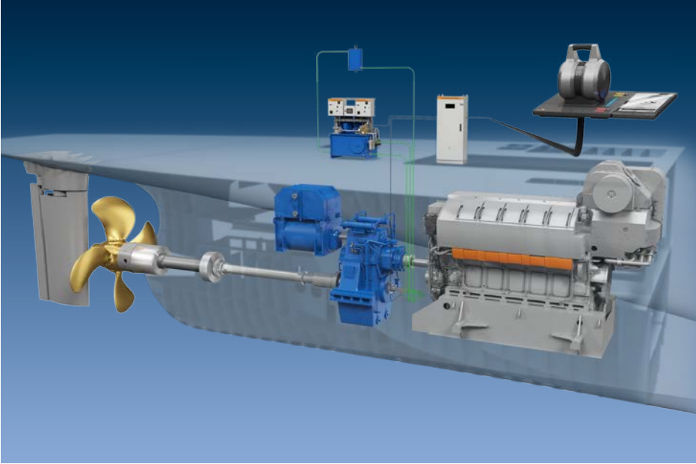
1980 | DNK | Small-bore diesel boat engine | 43.10% | 1980 | DNK | Large-bore diesel boat engine | 49.20%
1981 | DNK | Small-bore diesel boat engine | 43.30% | 1981 | DNK | Large-bore diesel boat engine | 49.40%
1982 | DNK | Small-bore diesel boat engine | 43.50% | 1982 | DNK | Large-bore diesel boat engine | 49.60%
1983 | DNK | Small-bore diesel boat engine | 43.60% | 1983 | DNK | Large-bore diesel boat engine | 49.80%
1984 | DNK | Small-bore diesel boat engine | 43.80% | 1984 | DNK | Large-bore diesel boat engine | 50.00%
1985 | DNK | Small-bore diesel boat engine | 44.00% | 1985 | DNK | Large-bore diesel boat engine | 50.20%
1986 | DNK | Small-bore diesel boat engine | 44.20% | 1986 | DNK | Large-bore diesel boat engine | 50.40%
1987 | DNK | Small-bore diesel boat engine | 44.40% | 1987 | DNK | Large-bore diesel boat engine | 50.60%
1988 | DNK | Small-bore diesel boat engine | 44.70% | 1988 | DNK | Large-bore diesel boat engine | 50.70%
1989 | DNK | Small-bore diesel boat engine | 44.90% | 1989 | DNK | Large-bore diesel boat engine | 50.90%
1990 | DNK | Small-bore diesel boat engine | 45.00% | 1990 | DNK | Large-bore diesel boat engine | 51.10%
1991 | DNK | Small-bore diesel boat engine | 45.10% | 1991 | DNK | Large-bore diesel boat engine | 51.30%
1992 | DNK | Small-bore diesel boat engine | 45.20% | 1992 | DNK | Large-bore diesel boat engine | 51.40%
1993 | DNK | Small-bore diesel boat engine | 45.30% | 1993 | DNK | Large-bore diesel boat engine | 51.60%
1994 | DNK | Small-bore diesel boat engine | 45.30% | 1994 | DNK | Large-bore diesel boat engine | 51.70%
1995 | DNK | Small-bore diesel boat engine | 45.40% | 1995 | DNK | Large-bore diesel boat engine | 51.80%
1996 | DNK | Small-bore diesel boat engine | 45.50% | 1996 | DNK | Large-bore diesel boat engine | 51.90%
1997 | DNK | Small-bore diesel boat engine | 45.60% | 1997 | DNK | Large-bore diesel boat engine | 51.90%
1998 | DNK | Small-bore diesel boat engine | 45.60% | 1998 | DNK | Large-bore diesel boat engine | 52.00%
1999 | DNK | Small-bore diesel boat engine | 45.70% | 1999 | DNK | Large-bore diesel boat engine | 52.00%
2000 | DNK | Small-bore diesel boat engine | 45.80% | 2000 | DNK | Large-bore diesel boat engine | 52.10%
2001 | DNK | Small-bore diesel boat engine | 45.80% | 2001 | DNK | Large-bore diesel boat engine | 52.20%
2002 | DNK | Small-bore diesel boat engine | 45.80% | 2002 | DNK | Large-bore diesel boat engine | 52.30%
2003 | DNK | Small-bore diesel boat engine | 45.80% | 2003 | DNK | Large-bore diesel boat engine | 52.40%
2004 | DNK | Small-bore diesel boat engine | 45.80% | 2004 | DNK | Large-bore diesel boat engine | 52.40%
2005 | DNK | Small-bore diesel boat engine | 45.80% | 2005 | DNK | Large-bore diesel boat engine | 52.50%
2006 | DNK | Small-bore diesel boat engine | 45.80% | 2006 | DNK | Large-bore diesel boat engine | 52.50%
2007 | DNK | Small-bore diesel boat engine | 45.80% | 2007 | DNK | Large-bore diesel boat engine | 52.50%
2008 | DNK | Small-bore diesel boat engine | 45.80% | 2008 | DNK | Large-bore diesel boat engine | 52.50%
2009 | DNK | Small-bore diesel boat engine | 45.80% | 2009 | DNK | Large-bore diesel boat engine | 52.50%
2010 | DNK | Small-bore diesel boat engine | 45.90% | 2010 | DNK | Large-bore diesel boat engine | 52.60%
2011 | DNK | Small-bore diesel boat engine | 45.90% | 2011 | DNK | Large-bore diesel boat engine | 52.70%
2012 | DNK | Small-bore diesel boat engine | 45.90% | 2012 | DNK | Large-bore diesel boat engine | 52.80%
2013 | DNK | Small-bore diesel boat engine | 45.90% | 2013 | DNK | Large-bore diesel boat engine | 52.90%
2014 | DNK | Small-bore diesel boat engine | 45.90% | 2014 | DNK | Large-bore diesel boat engine | 52.90%

Shi_2010
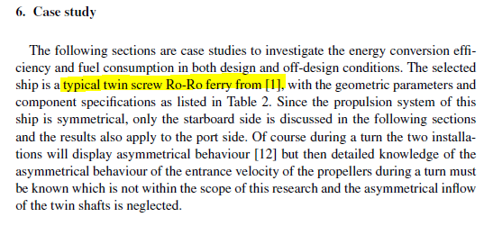
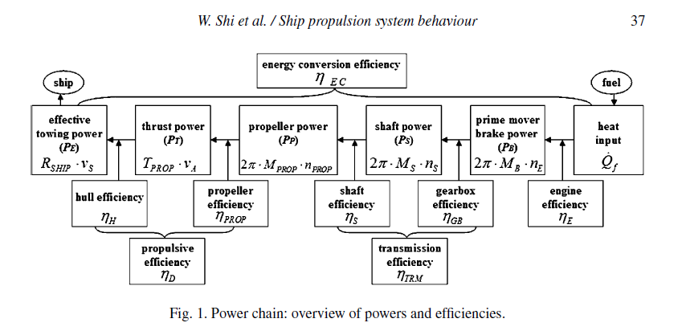
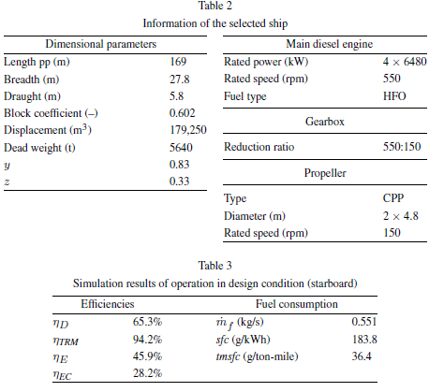
Shi et al (2010) - Analysis of ship propulsion system behaviour and the impact on fuel consumption
https://content.iospress.com/articles/international-shipbuilding-progress/isp62

Year | Country | Transmission efficiency [-] | Propulsive efficiency [-] | Post-engine efficiency [-]
2006 | WLD | 94.20% | 65.30% | 61.51%

